INV (2)
 |  |  |  |  |  |  |  | SIZE |  |  |  |  |  |  |  | 2746 | ORDER |  |  |  |  |  |  |  |  |  | 0
IMAGE 1 | IMAGE 2 | SEASON | REFERENCE | ITEM-NAME | COLOR | GENDER | MADE IN | XS | S | M | 8 | 10 | 12 | 14 | 16 | QTY | XS | S | M | 8 | 10 | 12 | 14 | 16 | RETAIL PRICE | WHOLESALE PRICE | ORDER
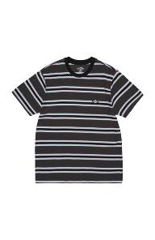 | 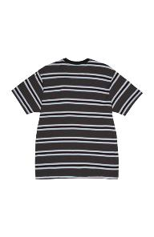 | SS 2021 | 520922 | T-SHIRT | BLACK | MALE | INDIA | 1 |  |  |  |  |  |  |  | 1 |  |  |  |  |  |  |  |  | 35.00 € | 17.50 € | 0
 |  | SS 2021 | 521148 | TOP | WHITE | FEMALE | PORTUGAL |  |  | 1 |  |  |  |  |  | 1 |  |  |  |  |  |  |  |  | 35.00 € | 17.50 € | 0
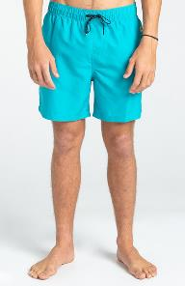 | 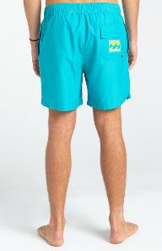 | SS 2021 | 521435 | SWIM SHORTS | GREEN | MALE | MYANMAR |  | 1 |  |  |  |  |  |  | 1 |  |  |  |  |  |  |  |  | 40.00 € | 20.00 € | 0
 | 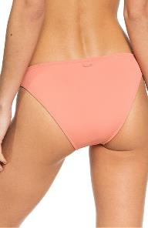 | SS 2020 | 519967 | BIKINI BOTTOM | PINK | FEMALE | CAMBODIA | 7 | 15 |  |  |  |  |  |  | 22 |  |  |  |  |  |  |  |  | 25.99 € | 13.00 € | 0
 | 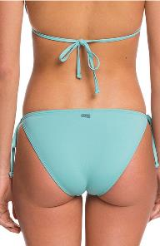 | SS 2020 | 519969 | BIKINI BOTTOM | GREEN | FEMALE | CAMBODIA | 23 | 21 |  |  |  |  |  |  | 44 |  |  |  |  |  |  |  |  | 19.99 € | 10.00 € | 0
 | 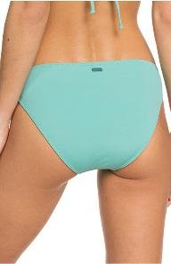 | SS 2020 | 519972 | BIKINI BOTTOM | GREEN | FEMALE | CAMBODIA | 32 | 56 |  |  |  |  |  |  | 88 |  |  |  |  |  |  |  |  | 27.99 € | 14.00 € | 0
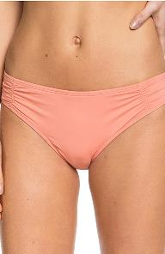 | 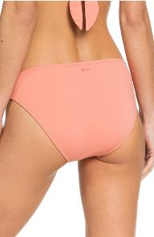 | SS 2020 | 519973 | BIKINI BOTTOM | PINK | FEMALE | CAMBODIA | 12 | 29 |  |  |  |  |  |  | 41 |  |  |  |  |  |  |  |  | 27.99 € | 14.00 € | 0
 | 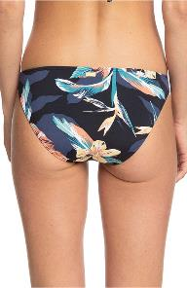 | SS 2020 | 519979 | BIKINI BOTTOM | BLACK | FEMALE | CAMBODIA | 23 | 33 |  |  |  |  |  |  | 56 |  |  |  |  |  |  |  |  | 35.99 € | 18.00 € | 0
 |  | SS 2020 | 519982 | BIKINI BOTTOM | WHITE | FEMALE | CAMBODIA | 10 | 24 |  |  |  |  |  |  | 34 |  |  |  |  |  |  |  |  | 29.99 € | 15.00 € | 0
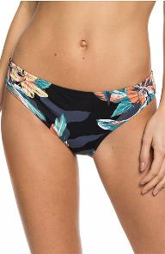 | 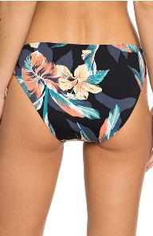 | SS 2020 | 519984 | BIKINI BOTTOM | BLACK | FEMALE | CAMBODIA | 9 | 15 |  |  |  |  |  |  | 24 |  |  |  |  |  |  |  |  | 35.99 € | 18.00 € | 0
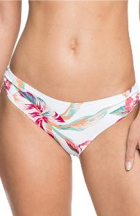 | 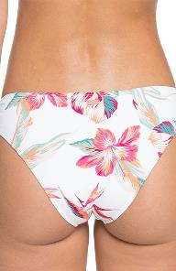 | SS 2020 | 519988 | BIKINI BOTTOM | BLACK | FEMALE | CAMBODIA | 28 | 61 |  |  |  |  |  |  | 89 |  |  |  |  |  |  |  |  | 35.99 € | 18.00 € | 0
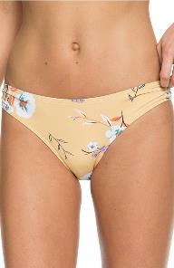 | 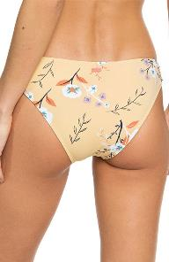 | SS 2020 | 519989 | BIKINI BOTTOM | YELLOW | FEMALE | CAMBODIA | 9 | 14 |  |  |  |  |  |  | 23 |  |  |  |  |  |  |  |  | 35.99 € | 18.00 € | 0
 | 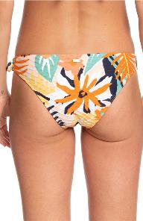 | SS 2021 | 519992 | BIKINI BOTTOM | PINK | FEMALE | CHINA | 13 | 22 |  |  |  |  |  |  | 35 |  |  |  |  |  |  |  |  | 35.99 € | 18.00 € | 0
 | 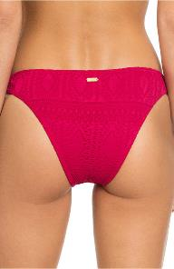 | SS 2020 | 520001 | BIKINI BOTTOM | PINK | FEMALE | CHINA | 9 | 23 |  |  |  |  |  |  | 32 |  |  |  |  |  |  |  |  | 29.99 € | 15.00 € | 0
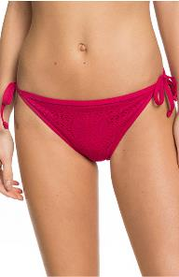 | 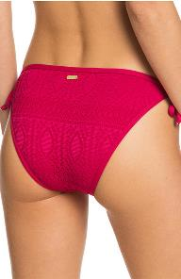 | SS 2020 | 520004 | BIKINI BOTTOM | PINK | FEMALE | CHINA | 9 | 21 |  |  |  |  |  |  | 30 |  |  |  |  |  |  |  |  | 29.99 € | 15.00 € | 0
 |  | SS 2020 | 520009 | BIKINI BOTTOM | WHITE | FEMALE | VIETNAM | 4 | 11 |  |  |  |  |  |  | 15 |  |  |  |  |  |  |  |  | 39.99 € | 20.00 € | 0
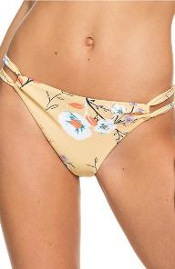 | 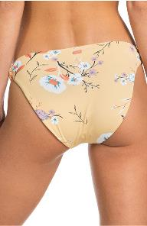 | SS 2020 | 520025 | BIKINI BOTTOM | YELLOW | FEMALE | CAMBODIA | 9 | 22 |  |  |  |  |  |  | 31 |  |  |  |  |  |  |  |  | 39.99 € | 20.00 € | 0
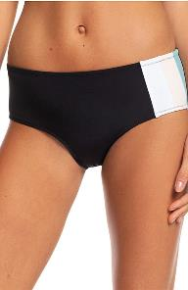 | 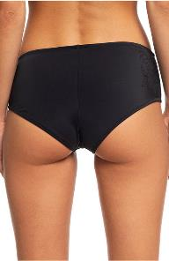 | SS 2020 | 520026 | BIKINI BOTTOM | BLACK | FEMALE | CAMBODIA | 4 | 12 |  |  |  |  |  |  | 16 |  |  |  |  |  |  |  |  | 39.99 € | 20.00 € | 0
 |  | SS 2020 | 520027 | BIKINI BOTTOM | WHITE | FEMALE | CAMBODIA | 16 | 28 |  |  |  |  |  |  | 44 |  |  |  |  |  |  |  |  | 37.99 € | 19.00 € | 0
 | 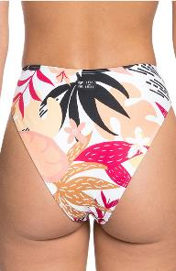 | SS 2020 | 520042 | BIKINI BOTTOM | WHITE | FEMALE | VIETNAM | 7 | 9 |  |  |  |  |  |  | 16 |  |  |  |  |  |  |  |  | 39.99 € | 20.00 € | 0
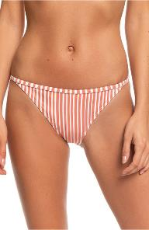 | 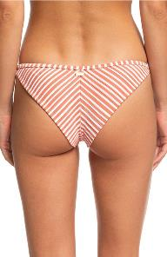 | SS 2020 | 520044 | BIKINI BOTTOM | WHITE | FEMALE | CHINA | 7 | 12 |  |  |  |  |  |  | 19 |  |  |  |  |  |  |  |  | 35.99 € | 18.00 € | 0
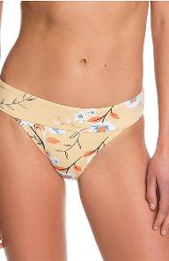 | 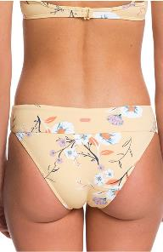 | SS 2020 | 520061 | BIKINI BOTTOM | YELLOW | FEMALE | CAMBODIA | 7 | 9 |  |  |  |  |  |  | 16 |  |  |  |  |  |  |  |  | 32.99 € | 16.50 € | 0
 | 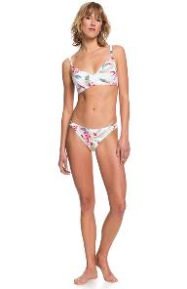 | SS 2020 | 520062 | BIKINI BOTTOM | BLACK | FEMALE | CAMBODIA | 15 | 18 |  |  |  |  |  |  | 33 |  |  |  |  |  |  |  |  | 39.99 € | 20.00 € | 0
 | 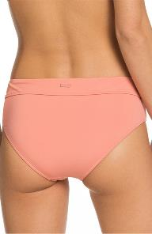 | SS 2020 | 520067 | BIKINI BOTTOM | PINK | FEMALE | CAMBODIA | 4 | 11 |  |  |  |  |  |  | 15 |  |  |  |  |  |  |  |  | 29.99 € | 15.00 € | 0
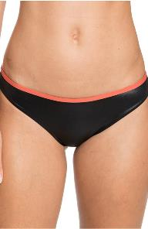 | 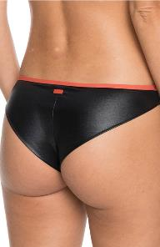 | FW 2020 | 520114 | BIKINI BOTTOM | BLACK | FEMALE | VIETNAM | 1 | 14 |  |  |  |  |  |  | 15 |  |  |  |  |  |  |  |  | 35.99 € | 18.00 € | 0
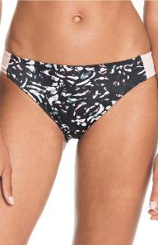 | 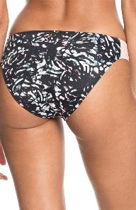 | FW 2020 | 520115 | BIKINI BOTTOM | BLACK | FEMALE | CAMBODIA | 1 | 29 |  |  |  |  |  |  | 30 |  |  |  |  |  |  |  |  | 37.99 € | 19.00 € | 0
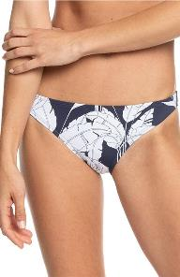 |  | SS 2021 | 520408 | BIKINI BOTTOM | BLUE | FEMALE | CAMBODIA | 4 | 10 |  |  |  |  |  |  | 14 |  |  |  |  |  |  |  |  | 29.99 € | 15.00 € | 0
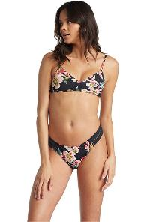 | 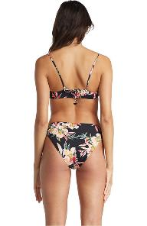 | FW 2020 | 520414 | BIKINI BOTTOM | MULTICOLOR | FEMALE | VIETNAM | 9 | 15 |  |  |  |  |  |  | 24 |  |  |  |  |  |  |  |  | 37.99 € | 19.00 € | 0
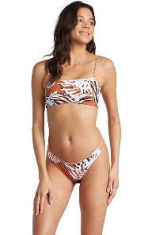 | 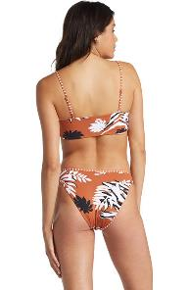 | FW 2020 | 520451 | BIKINI BOTTOM | ORANGE | FEMALE | CHINA | 2 | 17 |  |  |  |  |  |  | 19 |  |  |  |  |  |  |  |  | 42.99 € | 21.50 € | 0
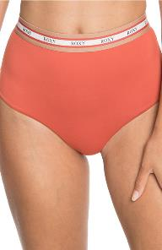 |  | FW 2020 | 520452 | BIKINI BOTTOM | PINK | FEMALE | VIETNAM | 2 | 20 |  |  |  |  |  |  | 22 |  |  |  |  |  |  |  |  | 39.99 € | 20.00 € | 0
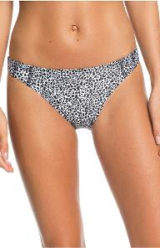 | 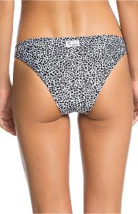 | FW 2020 | 520454 | BIKINI BOTTOM | MULTICOLOR | FEMALE | VIETNAM | 5 | 30 |  |  |  |  |  |  | 35 |  |  |  |  |  |  |  |  | 35.99 € | 18.00 € | 0
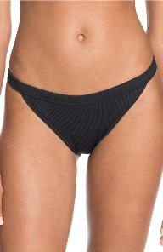 | 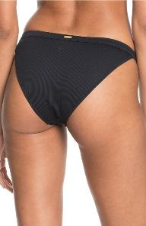 | FW 2020 | 520463 | BIKINI BOTTOM | BLACK | FEMALE | CHINA | 15 | 26 |  |  |  |  |  |  | 41 |  |  |  |  |  |  |  |  | 39.99 € | 20.00 € | 0
 |  | SS 2021 | 520727 | BIKINI BOTTOM | MULTICOLO | FEMALE | VIETNAM |  |  |  | 32 | 2 | 2 | 16 | 2 | 54 |  |  |  |  |  |  |  |  | 45.00 € | 22.50 € | 0
 |  | SS 2021 | 520737 | BIKINI BOTTOM | BLACK | FEMALE | CHINA |  |  |  | 10 | 27 | 13 | 12 | 1 | 63 |  |  |  |  |  |  |  |  | 25.00 € | 12.50 € | 0
 | 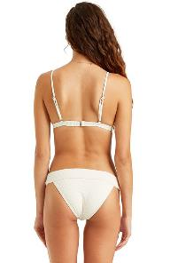 | SS 2021 | 520744 | BIKINI BOTTOM | WHITE | FEMALE | CHINA |  |  |  | 5 |  | 3 | 2 |  | 10 |  |  |  |  |  |  |  |  | 40.00 € | 20.00 € | 0
 |  | SS 2021 | 520748 | BIKINI BOTTOM | MULTICOLOR | FEMALE | VIETNAM |  |  |  |  | 21 |  |  |  | 21 |  |  |  |  |  |  |  |  | 40.00 € | 20.00 € | 0
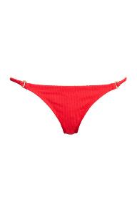 |  | SS 2021 | 520752 | BIKINI BOTTOM | RED | FEMALE | CHINA |  |  |  | 1 | 3 | 12 | 9 |  | 25 |  |  |  |  |  |  |  |  | 42.00 € | 21.00 € | 0
 |  | SS 2021 | 520755 | BIKINI BOTTOM | BLACK | FEMALE | VIETNAM |  |  |  | 13 | 10 | 13 | 9 |  | 45 |  |  |  |  |  |  |  |  | 35.00 € | 17.50 € | 0
 |  | SS 2021 | 520776 | BIKINI BOTTOM | YELLOW | FEMALE | VIETNAM |  |  |  | 4 | 7 | 6 | 4 | 1 | 22 |  |  |  |  |  |  |  |  | 25.00 € | 12.50 € | 0
 |  | SS 2021 | 520809 | BIKINI BOTTOM | PURPLE | FEMALE | CHINA |  |  |  | 12 | 22 | 5 | 10 |  | 49 |  |  |  |  |  |  |  |  | 55.00 € | 27.50 € | 0
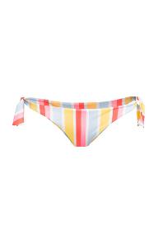 |  | SS 2021 | 520815 | BIKINI BOTTOM | MULTICOLOR | FEMALE | VIETNAM |  |  |  |  | 4 |  | 7 | 4 | 15 |  |  |  |  |  |  |  |  | 30.00 € | 15.00 € | 0
 | 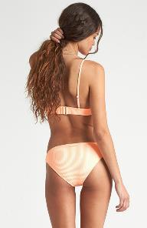 | SS 2021 | 520852 | BIKINI BOTTOM | PINK | FEMALE | CHINA |  |  |  | 18 | 38 | 30 | 15 | 1 | 102 |  |  |  |  |  |  |  |  | 38.00 € | 19.00 € | 0
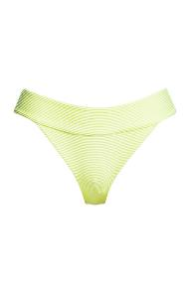 |  | SS 2021 | 521425 | BIKINI BOTTOM | GREEN | FEMALE | CHINA |  |  |  | 27 |  |  |  |  | 27 |  |  |  |  |  |  |  |  | 40.00 € | 20.00 € | 0
 |  | SS 2021 | 521437 | BIKINI BOTTOM | MULTICOLOR | FEMALE | VIETNAM |  |  |  |  | 1 | 11 | 5 |  | 17 |  |  |  |  |  |  |  |  | 35.00 € | 17.50 € | 0
 |  | SS 2021 | 521461 | BIKINI BOTTOM | BEIGE | FEMALE | CHINA |  |  |  |  | 8 | 3 | 7 | 2 | 20 |  |  |  |  |  |  |  |  | 45.00 € | 22.50 € | 0
 |  | SS 2021 | 521470 | BIKINI BOTTOM | GREEN | FEMALE | CHINA |  |  |  | 6 | 14 |  | 13 |  | 33 |  |  |  |  |  |  |  |  | 45.00 € | 22.50 € | 0
 |  | SS 2021 | 521476 | BIKINI BOTTOM | MULTICOLOR | FEMALE | CHINA |  |  |  | 5 | 7 |  |  |  | 12 |  |  |  |  |  |  |  |  | 25.00 € | 12.50 € | 0
 |  | SS 2021 | 521485 | BIKINI BOTTOM | MULTICOLOR | FEMALE | CHINA |  |  |  | 25 |  |  |  |  | 25 |  |  |  |  |  |  |  |  | 35.00 € | 17.50 € | 0
 |  | SS 2021 | 521496 | BIKINI BOTTOM | GREEN | FEMALE | VIETNAM |  |  |  | 1 | 2 | 13 | 14 | 2 | 32 |  |  |  |  |  |  |  |  | 50.00 € | 25.00 € | 0
 |  | SS 2021 | 521500 | BIKINI BOTTOM | MULTICOLOR | FEMALE | VIETNAM |  |  |  | 4 |  | 9 |  |  | 13 |  |  |  |  |  |  |  |  | 40.00 € | 20.00 € | 0
 |  | SS 2021 | 521504 | BIKINI BOTTOM | MULTICOLOR | FEMALE | CHINA |  |  |  |  | 16 |  |  |  | 16 |  |  |  |  |  |  |  |  | 40.00 € | 20.00 € | 0
 |  | SS 2021 | 521505 | BIKINI BOTTOM | MULTICOLOR | FEMALE | VIETNAM |  |  |  | 6 | 14 | 21 | 5 | 1 | 47 |  |  |  |  |  |  |  |  | 35.00 € | 17.50 € | 0
 |  | SS 2021 | 521508 | BIKINI BOTTOM | PINK | FEMALE | VIETNAM |  |  |  | 6 | 14 | 18 | 5 |  | 43 |  |  |  |  |  |  |  |  | 25.00 € | 12.50 € | 0
 |  | SS 2021 | 521537 | BIKINI BOTTOM | BLUE | FEMALE | VIETNAM |  |  |  | 2 | 9 | 15 | 9 | 1 | 36 |  |  |  |  |  |  |  |  | 25.00 € | 12.50 € | 0
 |  | SS 2021 | 521539 | BIKINI BOTTOM | MULTICOLOR | FEMALE | CHINA |  |  |  | 9 | 7 | 11 |  |  | 27 |  |  |  |  |  |  |  |  | 40.00 € | 20.00 € | 0
 |  | SS 2021 | 521543 | BIKINI BOTTOM | MULTICOLOR | FEMALE | CHINA |  |  |  | 4 | 6 | 1 |  |  | 11 |  |  |  |  |  |  |  |  | 40.00 € | 20.00 € | 0
 |  | SS 2021 | 521547 | BIKINI BOTTOM | MULTICOLOR | FEMALE | CHINA |  |  |  |  |  |  | 22 |  | 22 |  |  |  |  |  |  |  |  | 40.00 € | 20.00 € | 0
 |  | SS 2021 | 521548 | BIKINI BOTTOM | YELLOW | FEMALE | VIETNAM |  |  |  |  | 9 | 2 | 9 | 3 | 23 |  |  |  |  |  |  |  |  | 25.00 € | 12.50 € | 0
 |  | SS 2021 | 521570 | BIKINI BOTTOM | YELLOW | FEMALE | CHINA |  |  |  | 4 | 6 | 4 | 4 |  | 18 |  |  |  |  |  |  |  |  | 42.00 € | 21.00 € | 0
 |  | SS 2021 | 521586 | BIKINI BOTTOM | MULTICOLOR | FEMALE | CHINA |  |  |  | 2 |  |  | 7 |  | 9 |  |  |  |  |  |  |  |  | 40.00 € | 20.00 € | 0
 |  | SS 2021 | 521633 | BIKINI BOTTOM | MULTICOLOR | FEMALE | CHINA |  |  |  | 1 | 2 | 9 |  |  | 12 |  |  |  |  |  |  |  |  | 25.00 € | 12.50 € | 0
 |  | SS 2021 | 521640 | BIKINI BOTTOM | MULTICOLOR | FEMALE | VIETNAM |  |  |  | 4 |  | 4 |  |  | 8 |  |  |  |  |  |  |  |  | 55.00 € | 27.50 € | 0
 |  | SS 2021 | 522122 | BIKINI BOTTOM | MULTICOLOR | FEMALE | CHINA |  |  |  |  | 3 | 9 | 10 |  | 22 |  |  |  |  |  |  |  |  | 30.00 € | 15.00 € | 0
 |  | SS 2021 | 522124 | BIKINI BOTTOM | PINK | FEMALE | CHINA |  |  |  |  | 19 | 1 |  |  | 20 |  |  |  |  |  |  |  |  | 25.00 € | 12.50 € | 0
 |  | SS 2021 | 522128 | BIKINI BOTTOM | MULTICOLOR | FEMALE | CHINA |  |  |  | 1 | 8 | 5 | 6 | 1 | 21 |  |  |  |  |  |  |  |  | 35.00 € | 17.50 € | 0
 |  | SS 2020 | 520014 | BIKINI TOP | GREEN | FEMALE | CAMBODIA | 9 | 26 |  |  |  |  |  |  | 35 |  |  |  |  |  |  |  |  | 39.99 € | 20.00 € | 0
 |  | SS 2020 | 520015 | BIKINI TOP | BLACK | FEMALE | CAMBODIA | 6 | 12 |  |  |  |  |  |  | 18 |  |  |  |  |  |  |  |  | 35.99 € | 18.00 € | 0
 |  | SS 2020 | 520019 | BIKINI TOP | BLACK | FEMALE | CAMBODIA | 15 | 7 |  |  |  |  |  |  | 22 |  |  |  |  |  |  |  |  | 35.99 € | 18.00 € | 0
 |  | SS 2020 | 520020 | BIKINI TOP | BLACK | FEMALE | CAMBODIA | 2 | 13 |  |  |  |  |  |  | 15 |  |  |  |  |  |  |  |  | 32.99 € | 16.50 € | 0
 |  | SS 2020 | 520021 | BIKINI TOP | YELLOW | FEMALE | CHINA | 6 | 11 |  |  |  |  |  |  | 17 |  |  |  |  |  |  |  |  | 39.99 € | 20.00 € | 0
 |  | SS 2020 | 520022 | BIKINI TOP | WHITE | FEMALE | CAMBODIA | 8 | 11 |  |  |  |  |  |  | 19 |  |  |  |  |  |  |  |  | 42.99 € | 21.50 € | 0
 |  | SS 2020 | 520023 | BIKINI TOP | BLACK | FEMALE | CAMBODIA | 1 | 11 |  |  |  |  |  |  | 12 |  |  |  |  |  |  |  |  | 45.99 € | 23.00 € | 0
 |  | SS 2020 | 520029 | BIKINI TOP | BLACK | FEMALE | CAMBODIA | 12 | 26 |  |  |  |  |  |  | 38 |  |  |  |  |  |  |  |  | 35.99 € | 18.00 € | 0
 |  | SS 2020 | 520030 | BIKINI TOP | YELLOW | FEMALE | CAMBODIA |  | 18 |  |  |  |  |  |  | 18 |  |  |  |  |  |  |  |  | 32.99 € | 16.50 € | 0
 |  | SS 2020 | 520038 | BIKINI TOP | BLACK | FEMALE | CAMBODIA | 8 | 10 |  |  |  |  |  |  | 18 |  |  |  |  |  |  |  |  | 35.99 € | 18.00 € | 0
 |  | SS 2020 | 520046 | BIKINI TOP | BLACK | FEMALE | CHINA | 2 | 19 |  |  |  |  |  |  | 21 |  |  |  |  |  |  |  |  | 49.99 € | 25.00 € | 0
 |  | SS 2020 | 520047 | BIKINI TOP | BLUE | FEMALE | CHINA | 4 | 12 |  |  |  |  |  |  | 16 |  |  |  |  |  |  |  |  | 42.99 € | 21.50 € | 0
 |  | SS 2020 | 520055 | BIKINI TOP | BLACK | FEMALE | CAMBODIA | 8 | 19 |  |  |  |  |  |  | 27 |  |  |  |  |  |  |  |  | 42.99 € | 21.50 € | 0
 |  | SS 2020 | 520058 | BIKINI TOP | BLACK | FEMALE | CAMBODIA | 13 | 19 |  |  |  |  |  |  | 32 |  |  |  |  |  |  |  |  | 35.99 € | 18.00 € | 0
 |  | SS 2020 | 520076 | BIKINI TOP | PINK | FEMALE | CAMBODIA |  | 17 |  |  |  |  |  |  | 17 |  |  |  |  |  |  |  |  | 35.99 € | 18.00 € | 0
 |  | SS 2020 | 520079 | BIKINI TOP | BLACK | FEMALE | CAMBODIA | 2 | 15 |  |  |  |  |  |  | 17 |  |  |  |  |  |  |  |  | 32.99 € | 16.50 € | 0
 |  | SS 2020 | 520085 | BIKINI TOP | PINK | FEMALE | VIETNAM | 6 | 7 |  |  |  |  |  |  | 13 |  |  |  |  |  |  |  |  | 39.99 € | 20.00 € | 0
 |  | FW 2020 | 520095 | BIKINI TOP | BLACK | FEMALE | CAMBODIA | 5 | 22 |  |  |  |  |  |  | 27 |  |  |  |  |  |  |  |  | 39.99 € | 20.00 € | 0
 |  | SS 2020 | 520096 | BIKINI TOP | BLACK | FEMALE | CAMBODIA | 4 | 25 |  |  |  |  |  |  | 29 |  |  |  |  |  |  |  |  | 45.99 € | 23.00 € | 0
 |  | SS 2020 | 520097 | BIKINI TOP | BLACK | FEMALE | CAMBODIA | 13 | 10 |  |  |  |  |  |  | 23 |  |  |  |  |  |  |  |  | 42.99 € | 21.50 € | 0
 |  | SS 2020 | 520098 | BIKINI TOP | BLACK | FEMALE | CAMBODIA | 6 | 34 |  |  |  |  |  |  | 40 |  |  |  |  |  |  |  |  | 45.99 € | 23.00 € | 0
 |  | SS 2020 | 520103 | BIKINI TOP | BLACK | FEMALE | CAMBODIA | 3 | 16 |  |  |  |  |  |  | 19 |  |  |  |  |  |  |  |  | 32.99 € | 16.50 € | 0
 |  | SS 2020 | 520106 | BIKINI TOP | BLACK | FEMALE | CAMBODIA | 6 | 8 |  |  |  |  |  |  | 14 |  |  |  |  |  |  |  |  | 42.99 € | 21.50 € | 0
 |  | FW 2020 | 520110 | BIKINI TOP | MULTICOLOR | FEMALE | VIETNAM | 18 | 33 |  |  |  |  |  |  | 51 |  |  |  |  |  |  |  |  | 39.99 € | 20.00 € | 0
 |  | FW 2020 | 520111 | BIKINI TOP | BLACK | FEMALE | CAMBODIA | 5 | 15 |  |  |  |  |  |  | 20 |  |  |  |  |  |  |  |  | 42.99 € | 21.50 € | 0
 |  | SS 2021 | 520112 | BIKINI TOP | YELLOW | FEMALE | CHINA | 12 | 5 |  |  |  |  |  |  | 17 |  |  |  |  |  |  |  |  | 37.99 € | 19.00 € | 0
 |  | FW 2020 | 520113 | BIKINI TOP | MULTICOLOR | FEMALE | VIETNAM | 8 | 30 |  |  |  |  |  |  | 38 |  |  |  |  |  |  |  |  | 37.99 € | 19.00 € | 0
 |  | FW 2019 | 520260 | BIKINI TOP | WHITE | FEMALE | CAMBODIA |  | 1 |  |  |  |  |  |  | 1 |  |  |  |  |  |  |  |  | 42.99 € | 21.50 € | 0
 |  | SS 2020 | 520266 | BIKINI TOP | BLACK | FEMALE | CAMBODIA |  | 15 |  |  |  |  |  |  | 15 |  |  |  |  |  |  |  |  | 32.99 € | 16.50 € | 0
 |  | SS 2020 | 520267 | BIKINI TOP | PINK | FEMALE | CAMBODIA | 4 | 19 |  |  |  |  |  |  | 23 |  |  |  |  |  |  |  |  | 32.99 € | 16.50 € | 0
 |  | SS 2021 | 520287 | BIKINI TOP | BLUE | FEMALE | CAMBODIA | 3 | 14 |  |  |  |  |  |  | 17 |  |  |  |  |  |  |  |  | 35.99 € | 18.00 € | 0
 |  | SS 2021 | 520288 | BIKINI TOP | BLUE | FEMALE | CAMBODIA | 2 | 13 |  |  |  |  |  |  | 15 |  |  |  |  |  |  |  |  | 32.99 € | 16.50 € | 0
 |  | SS 2021 | 520307 | BIKINI TOP | BLUE | FEMALE | CHINA | 1 | 14 |  |  |  |  |  |  | 15 |  |  |  |  |  |  |  |  | 37.99 € | 19.00 € | 0
 |  | FW 2021 | 520344 | BIKINI TOP | BLACK | FEMALE | CAMBODIA | 10 | 14 |  |  |  |  |  |  | 24 |  |  |  |  |  |  |  |  | 25.99 € | 13.00 € | 0
 |  | SS 2021 | 520352 | BIKINI TOP | BLUE | FEMALE | CAMBODIA |  | 20 |  |  |  |  |  |  | 20 |  |  |  |  |  |  |  |  | 35.99 € | 18.00 € | 0
 |  | FW 2021 | 520394 | BIKINI TOP | BLACK | FEMALE | CAMBODIA | 4 | 18 |  |  |  |  |  |  | 22 |  |  |  |  |  |  |  |  | 19.99 € | 10.00 € | 0
 |  | FW 2020 | 520402 | BIKINI TOP | WHITE | FEMALE | CAMBODIA | 9 | 29 |  |  |  |  |  |  | 38 |  |  |  |  |  |  |  |  | 35.99 € | 18.00 € | 0
 |  | FW 2020 | 520403 | BIKINI TOP | WHITE | FEMALE | CAMBODIA | 7 | 10 |  |  |  |  |  |  | 17 |  |  |  |  |  |  |  |  | 37.99 € | 19.00 € | 0
 |  | FW 2020 | 520405 | BIKINI TOP | BLACK | FEMALE | VIETNAM | 6 | 15 |  |  |  |  |  |  | 21 |  |  |  |  |  |  |  |  | 49.99 € | 25.00 € | 0
 |  | FW 2020 | 520417 | BIKINI TOP | ORANGE | FEMALE | CHINA | 6 | 17 |  |  |  |  |  |  | 23 |  |  |  |  |  |  |  |  | 39.99 € | 20.00 € | 0
 |  | FW 2020 | 520431 | BIKINI TOP | BLACK | FEMALE | CHINA | 4 | 9 |  |  |  |  |  |  | 13 |  |  |  |  |  |  |  |  | 42.99 € | 21.50 € | 0
 |  | SS 2021 | 521563 | BIKINI TOP | MULTICOLOR | FEMALE | VIETNAM |  |  |  |  | 1 |  |  |  | 1 |  |  |  |  |  |  |  |  | 40.00 € | 20.00 € | 0
 |  | SS 2021 | 522116 | BIKINI TOP | MULTICOLOR | FEMALE | CHINA |  |  |  |  | 1 |  |  |  | 1 |  |  |  |  |  |  |  |  | 55.00 € | 27.50 € | 0
 |  | SS 2021 | 520796 | SWIMSUIT | PURPLE | FEMALE | CHINA |  |  |  |  |  | 1 |  |  | 1 |  |  |  |  |  |  |  |  | 110.00 € | 55.00 € | 0

